Sheet1
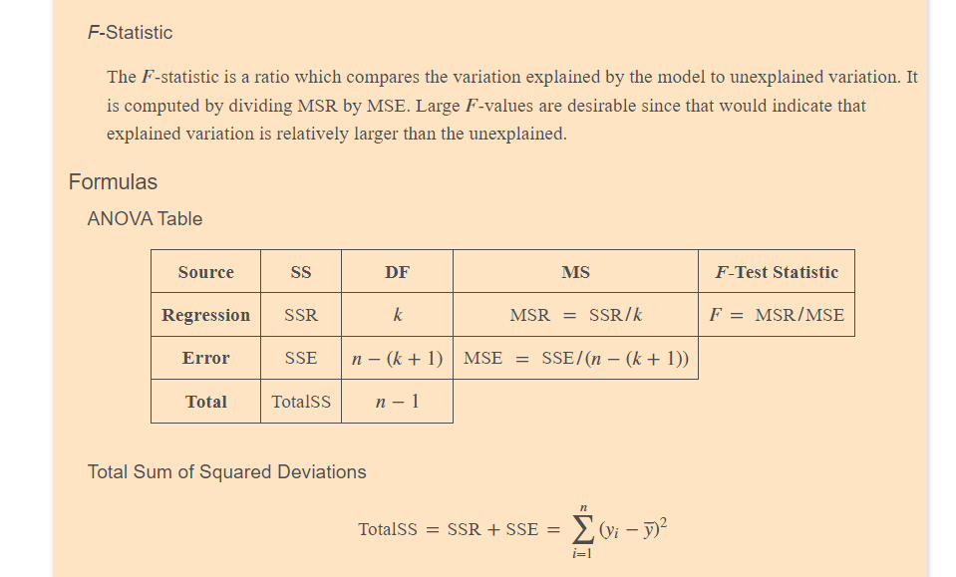
Intercept | 1.220047 | 2.253529 | 0.541394 | 0.611478
Mother's Weight | 1.067212 | 0.262673 | 4.062891 | 0.009701
Father's Weight | -0.241964 | 0.246738 | -0.980649 | 0.371802 | 53972.6

yhat | 1.220047
x1 | 1.067212
x2 | -0.241964

